Sheet1
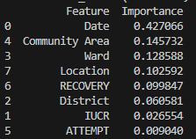
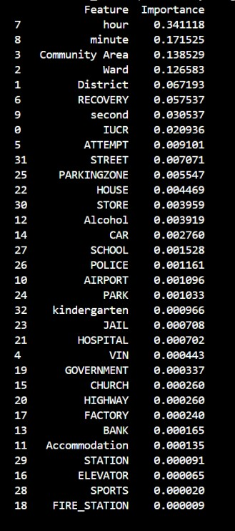
 | 전처리 |  |  | 인코딩
 | Location | Vin | Time | IUCR | Loc | 측정방식 | 뉴런 |  | Score | Val | 상태
 | 23종 | TRUE | H,M,S | Label | OneHot | BinaryF1score | 40,80,100,50 |  | 0.1 | 0
 |  |  | H | Label |  | BinaryF1score |  |  | 0.0003 | 0
 |  |  |  |  |  | BinaryF1score
F1_LB_OH |  | FALSE | H | Label | OneHot | BinaryF1score | 10,20,25,5 |  | 0 | 0
F4_ALL_OH |  | sample 75000:25000 |  | OneHot |  | BinaryF1score | 10, 15, 20, 10 | Adam, BC 100 | 0.25 | 0.31

A1_LB_OH_T |  |  | H | Label | OneHot | BinaryAccuracy |  | Adam, BC 10 | 0.8 | 0.007 | 과적합 | sigmoid
A2_ALL_LB_T |  |  | H | Label |  | BinaryAccuracy | 10,20,25,5 | Adam, BC 10 | 0.8 | 0.1 | 과적합 | sigmoid
A3_ALL_OH |  |  | H | OneHot |  | BinaryAccuracy | 10,20,25,5 | Adam, BC 10 | 0.8 | 0 |  | sigmoid
A4_ALL_OH |  |  |  | OneHot |  |  |  | SGD, BC 100 | 0.79 | 0 |  | sigmoid
A5_ALL_OH |  |  |  | Label |  | BinaryAccuracy | 10,20,25,5 | SGD, BC 100 | 0.79 | 0
A6_ALL_OH |  | sample 75000:25000 |  | Label |  | BinaryAccuracy | 10, 15, 20, 10 | Adam, BC 100 | 0.75 | 0.3
A7_ALL_OH |  | sample 75000:25000 |  | Label | OneHot | BinaryAccuracy | 10, 15, 20, 10 | Adam, BC 100 | 0.74 | 0.31
A8_ALL_OH |  | sample 75000:25000 |  | OneHot |  | BinaryAccuracy | 10, 15, 20, 10 | Adam, BC 100 | 0.75 | 0.32
 |  |  |  | OneHot
 |  |  |  | OneHot
A11_ALL_LB | sample 75:25 | 가중치 제어, threshold=0.5 |  | Label |  | BinaryAccuracy | 10, 15, 20, 10 | Adam, BC 100

A13_ALL_LB | sample 75:25 |  |  | Label |  | BinaryAccuracy | 10, 15, 20, 10 | optim(Adam,weight_decay=1e-4), BC 10, dropout, threshold=0.5

R1_LB_OH |  |  |  | Label | OneHot | Recall | 10,20,25,5 |  | 0 | 0
R2_allLB |  |  |  | Label |  | Recall | 10,20,25,5 |  | 0.08 | 0.1

